Cover
 |  |  | Business Energy Solutions

 |  |  | 2026 Rebate Application

Prescriptive Measures for Existing Facilities
HVAC System Test and Repair

Submit application to:

UniSource Business Energy Solutions

Tel: 1-866-540-4315
UniSourceBES@franklinenergy.com

 |  | Application Process
 |  | 1. Submit a Pre-Notification Application.
 |  | 2. Install the qualified technology.
 |  | 3. Submit a complete, signed Final Application with all documentation.
 |  | 4. Receive incentive check within 6 weeks of Final Application approval.

 | Last Modified: 9/1/2026
The Commercial Energy Solutions Program is paid for by UniSource Energy Services customers and approved by the Arizona Corporation Commission.

Photo Documentation
UES Test and Repair Photo Documentation
Unit Name: | Measure Name:

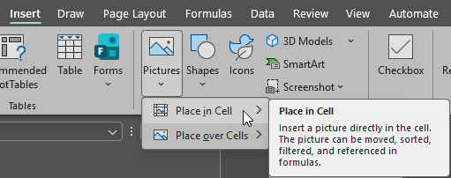

Unit Name: | Measure Name:

Unit Name: | Measure Name:

Unit Name: | Measure Name:

Unit Name: | Measure Name:

Unit Name: | Measure Name:

Unit Name: | Measure Name:

Unit Name: | Measure Name:

Unit Name: | Measure Name:

Unit Name: | Measure Name:

Unit Name: | Measure Name:

Unit Name: | Measure Name:

