250977A Email
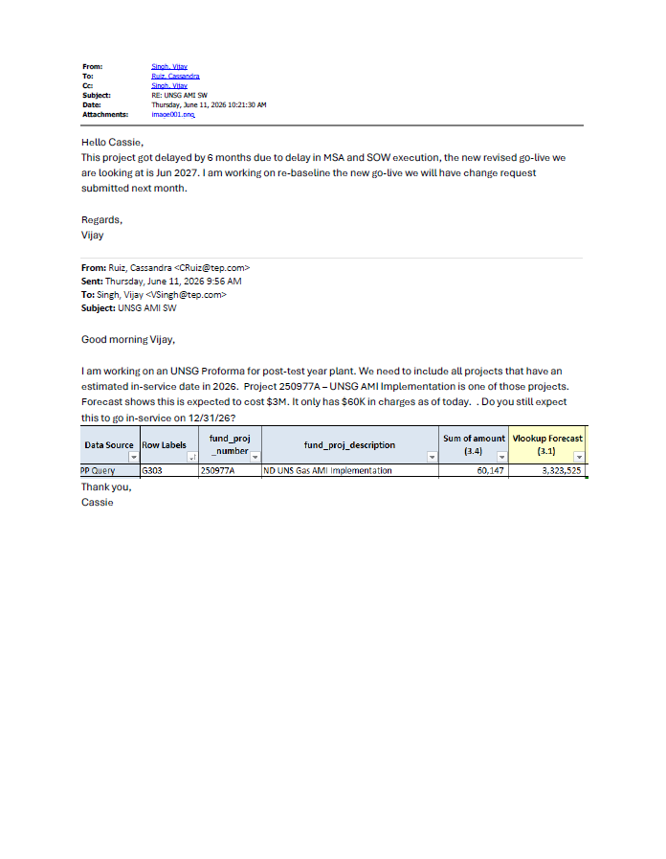
LINK: | G:\PLANTACC\Rate Case\UNSG\UNSG ARAM\May 2026\Post Test Year Plant\Files not sent\RE_ UNSG AMI SW.pdf

250973A Email
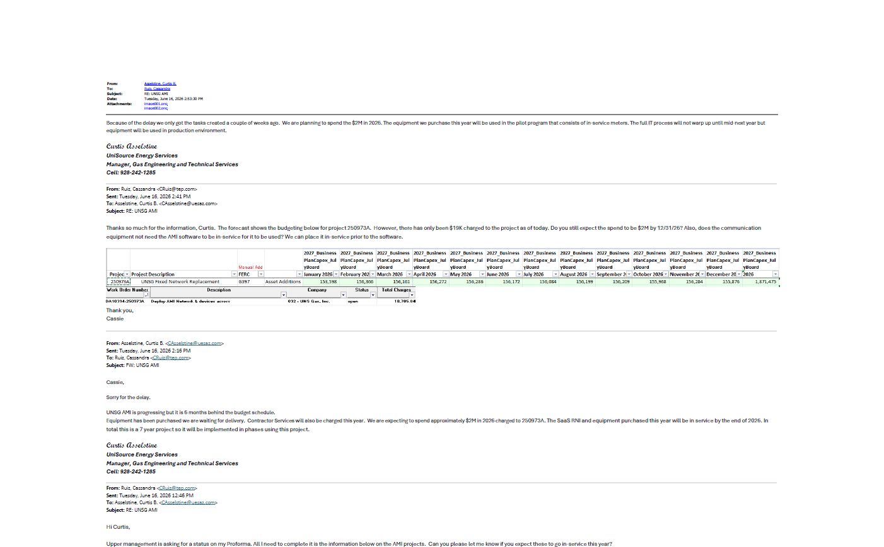
LINK: | G:\PLANTACC\Rate Case\UNSG\UNSG ARAM\May 2026\Post Test Year Plant\Files not sent\RE_ UNSG AMI .pdf

