2. Post Test Year_Pivot
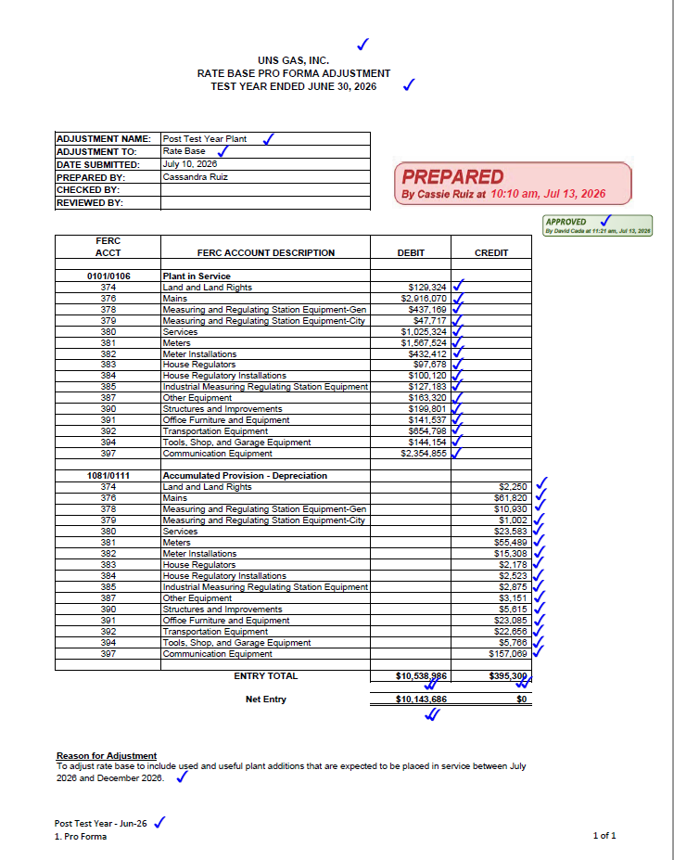
PIVOT of Post Test Year Lead Schedule

Row Labels | Sum of JUL-26 thru DEC-26 Total |  | Concatenate | Sum of Total
374RA00000 | 129,324 |  | G1374RA00000000 | 129,324.00
376XX00000 | 2,916,070 |  | G1376XX00000000 | 2,916,070.00
378XX00000 | 437,169 |  | G1378XX00000000 | 437,169.00
379XX00000 | 47,717 |  | G1379XX00000000 | 47,717.00
380XX00000 | 1,025,324 |  | G1380XX00000000 | 1,025,324.00
381XX00000 | 1,567,524 |  | G1381XX00000000 | 1,567,524.00
382XX00000 | 432,412 |  | G1382XX00000000 | 432,412.00
383XX00000 | 97,678 |  | G1383XX00000000 | 97,678.00
384XX00000 | 100,120 |  | G1384XX00000000 | 100,120.00
385XX00000 | 127,183 |  | G1385XX00000000 | 127,183.00
387XX00000 | 163,320 |  | G1387XX00000000 | 163,320.00
390XX00000 | 199,801 |  | G1390XX00000000 | 199,801.00 | Assigning to Depr group largest total cost 06/2026
391NT00000 | 107,727 |  | G1391NT00000000 | 107,727.00 | Assigning to Depr group largest total cost 06/2026
391OE00000 | 33,810 |  | G1391OE00000000 | 33,810.00 | Assigning to Depr group largest total cost 06/2026
392C300000 | 654,798 |  | G1392C300000000 | 654,798.00
394XX00000 | 144,154 |  | G1394XX00000000 | 144,154.00 | Assigning to Depr group largest total cost 06/2026
397XX00000 | 2,354,855 |  | G1397XX00000000 | 2,354,855.00 | Assigning to Depr group largest total cost 06/2026
Grand Total | 10,538,986 | A |  | 10,538,986.00

G:\PLANTACC\Rate Case\UNSG\1 - UNSG ARAM\12 Months Ended June 2026\2 - Post Test Year Plant\Post Test Year - Jun-26.xlsx

7. GoldenValley Pipeline Profor
UNS Gas, Inc.
Rider 11 - Annual Rate Adjustment Mechanism ("ARAM")
Attachment B - Formula Rate Template
A5-03

Functional Group | Description | UNSE's Share of Capital Costs | Core Customer's Share of Capital Costs | Total Capital Cost | UNSE's Share of Reserve | Core Customer's Share of Reserve | Total Reserve (Estimated)
 |  | 80.6910% | 19.3090% |  | 80.6910% | 19.3090%
G376 | Mains (Distribution) | 3,327,244.12 | 796,194.83 | 4,123,438.95 | 1,292,780.71 | 309,356.72 | 1,602,137.43
A
G379 | Measuring and Regulating Station Equipment-City Gate (Distribution) | 1,078,864.99 | 258,167.63 | 1,337,032.62 | 336,064.64 | 80,418.79 | 416,483.43
 |  | 4,406,109.11 | 1,054,362.46 | 5,460,471.57 | 1,628,845.36 | 389,775.50 | 2,018,620.86
 |  | PIS - Credit |  |  | AD - Debit

LINK: | G:\PLANTACC\Rate Case\UNSG\1 - UNSG ARAM\12 Months Ended June 2026\3 - Depr_Amort_Exp Annualization\Files not Sent\UNSG Depr and Amor ADIT Supporting Adjustments JUNE.xlsx

8. Griffith Plant Proforma
UNS Gas, Inc.
Rider 11 - Annual Rate Adjustment Mechanism ("ARAM")
Attachment B - Formula Rate Template
A5-04

Utility Account | Asset Location | Month | Book Cost | Allocated Reserve | Net Book Value
G367 - Mains | GRFTH - Griffith | 05/2026 | 3,421,024.90 | 1,624,046.54 | 1,796,978.36
G369 - Measuring and Reg Stat Equip | GRFTH - Griffith | 05/2026 | 2,443,601.15 | 962,275.79 | 1,481,325.36
G385 - Indust Measr Reg Stat Equip | GRFTH - Griffith | 05/2026 | 12,609.37 | 8,553.71 | 4,055.66
G369 - Measuring and Reg Stat Equip | GRFTH - Griffith | 05/2026 | 0.00 | 0.00 | 0.00
G365 - Land and Land Rights | GRFTH - Griffith | 05/2026 | 10,075.42 | 4,614.67 | 5,460.75
A
G371 - Other Equipment | GRFTH - Griffith | 05/2026 | 183,581.23 | 164,024.50 | 19,556.73
 |  |  | 6,070,892.07 | 2,763,515.21 | 3,307,376.86
 |  |  | PIS - Credit | AD - Debit | Net - Credit

LINK: | G:\PLANTACC\Rate Case\UNSG\1 - UNSG ARAM\12 Months Ended June 2026\3 - Depr_Amort_Exp Annualization\Files not Sent\UNSG Depr and Amor ADIT Supporting Adjustments JUNE.xlsx

