3. Reg. Assets
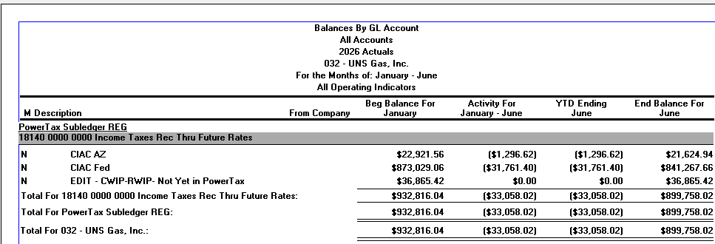

 | A

B

4. Reg. Liab.
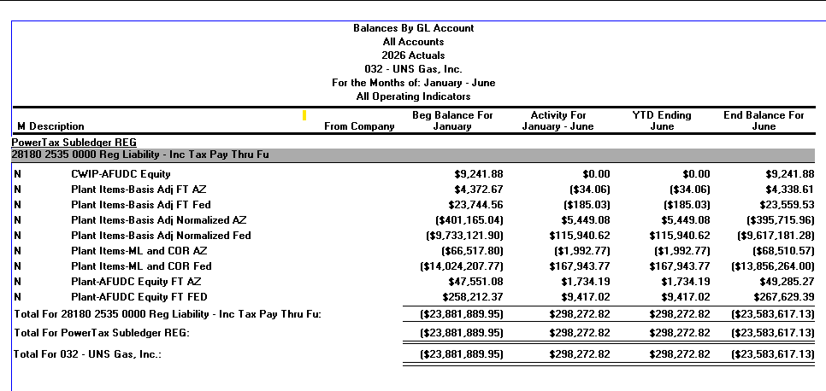

B | Remove - Consistent w/ prior test year treatment

A

8. A5-03 GOLD VALL PIS AD
UNS Gas, Inc.
Rider 11 - Annual Rate Adjustment Mechanism ("ARAM")
Attachment B - Formula Rate Template
A5-03

Functional Group | Description | UNSE's Share of Capital Costs | Core Customer's Share of Capital Costs | Total Capital Cost | UNSE's Share of Reserve | Core Customer's Share of Reserve | Total Reserve (Estimated)
 |  | 80.6910% | 19.3090% |  | 80.6910% | 19.3090%
G376 | Mains (Distribution) | 3,327,244.12 | 796,194.83 | 4,123,438.95 | 1,292,780.71 | 309,356.72 | 1,602,137.43
A
G379 | Measuring and Regulating Station Equipment-City Gate (Distribution) | 1,078,864.99 | 258,167.63 | 1,337,032.62 | 336,064.64 | 80,418.79 | 416,483.43
 |  | 4,406,109.11 | 1,054,362.46 | 5,460,471.57 | 1,628,845.36 | 389,775.50 | 2,018,620.86
 |  | PIS - Credit |  |  | AD - Debit

 |  | Assets placed in service in 2008

 |  | Tax Life | Tax Depreciation

 |  | MACRS 15 | $3,327,244.12
 |  | MACRS 15 | $1,078,864.99
 |  | Tax Depr. | $4,406,109.11
 |  | Less: Book A | $(1,628,845.36)
 |  | Book-Tax Diff. | $2,777,263.76
 |  | Tax Rate 13A | 0.24867253
 |  | ADIT Adj. | $690,629.20 | B

12. Depr Rates
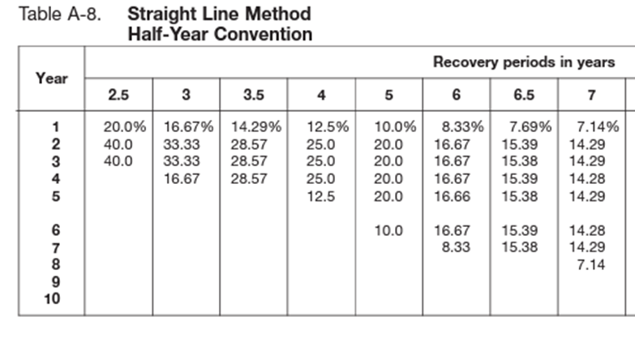
NOTE: | Table used to calculate the amount of tax depreiciation for assets placed in service in 2003: |  |  |  |  |  |  |  |  | NOTE: | Table used to calculate the amount of tax depreiciation for assets placed in service in 2008:
 | Build-Out Plant, Citizens Disc. Adj., Griffith Plan, Southern Union. |  |  |  |  |  |  |  |  |  | Golden Valley Pipeline
Year | Year2 | S/L 3 | MACRS 5 | MACRS 7 | MACRS 15 | MACRS 20 | S/L 39 | S/L 46 | S/L 84 | Year | Year2 | S/L 3 | MACRS 5 | MACRS 7 | MACRS 15 | MACRS 20 | S/L 39 | S/L 46 | S/L 84
2003 | 1 | 33.330% | 20.000% | 14.290% | 5.000% | 3.750% | 0.963% | 1.087% | 0.595% | 2008 | 1 | 33.330% | 20.000% | 14.290% | 5.000% | 3.750% | 0.963% | 1.087% | 0.595%
2004 | 2 | 44.450% | 32.000% | 24.490% | 9.500% | 7.219% | 2.564% | 2.174% | 1.190% | 2009 | 2 | 44.450% | 32.000% | 24.490% | 9.500% | 7.219% | 2.564% | 2.174% | 1.190%
2005 | 3 | 14.810% | 19.200% | 17.490% | 8.550% | 6.677% | 2.564% | 2.174% | 1.190% | 2010 | 3 | 14.810% | 19.200% | 17.490% | 8.550% | 6.677% | 2.564% | 2.174% | 1.190%
2006 | 4 | 7.410% | 11.520% | 12.490% | 7.700% | 6.177% | 2.564% | 2.174% | 1.190% | 2011 | 4 | 7.410% | 11.520% | 12.490% | 7.700% | 6.177% | 2.564% | 2.174% | 1.190%
2007 | 5 |  | 11.520% | 8.930% | 6.930% | 5.713% | 2.564% | 2.174% | 1.190% | 2012 | 5 |  | 11.520% | 8.930% | 6.930% | 5.713% | 2.564% | 2.174% | 1.190%
2008 | 6 |  | 5.760% | 8.920% | 6.230% | 5.285% | 2.564% | 2.174% | 1.190% | 2013 | 6 |  | 5.760% | 8.920% | 6.230% | 5.285% | 2.564% | 2.174% | 1.190%
2009 | 7 |  |  | 8.930% | 5.900% | 4.888% | 2.564% | 2.174% | 1.190% | 2014 | 7 |  |  | 8.930% | 5.900% | 4.888% | 2.564% | 2.174% | 1.190%
2010 | 8 |  |  | 4.460% | 5.900% | 4.522% | 2.564% | 2.174% | 1.190% | 2015 | 8 |  |  | 4.460% | 5.900% | 4.522% | 2.564% | 2.174% | 1.190%
2011 | 9 |  |  |  | 5.910% | 4.462% | 2.564% | 2.174% | 1.190% | 2016 | 9 |  |  |  | 5.910% | 4.462% | 2.564% | 2.174% | 1.190%
2012 | 10 |  |  |  | 5.900% | 4.461% | 2.564% | 2.174% | 1.190% | 2017 | 10 |  |  |  | 5.900% | 4.461% | 2.564% | 2.174% | 1.190%
2013 | 11 |  |  |  | 5.910% | 4.462% | 2.564% | 2.174% | 1.190% | 2018 | 11 |  |  |  | 5.910% | 4.462% | 2.564% | 2.174% | 1.190%
2014 | 12 |  |  |  | 5.900% | 4.461% | 2.564% | 2.174% | 1.190% | 2019 | 12 |  |  |  | 5.900% | 4.461% | 2.564% | 2.174% | 1.190%
2015 | 13 |  |  |  | 5.910% | 4.462% | 2.564% | 2.174% | 1.190% | 2020 | 13 |  |  |  | 5.910% | 4.462% | 2.564% | 2.174% | 1.190%
2016 | 14 |  |  |  | 5.900% | 4.461% | 2.564% | 2.174% | 1.190% | 2021 | 14 |  |  |  | 5.900% | 4.461% | 2.564% | 2.174% | 1.190%
2017 | 15 |  |  |  | 5.910% | 4.462% | 2.564% | 2.174% | 1.190% | 2022 | 15 |  |  |  | 5.910% | 4.462% | 2.564% | 2.174% | 1.190%
2018 | 16 |  |  |  | 2.950% | 4.461% | 2.564% | 2.174% | 1.190% | 2023 | 16 |  |  |  | 2.950% | 4.461% | 2.564% | 2.174% | 1.190%
2019 | 17 |  |  |  |  | 4.462% | 2.564% | 2.174% | 1.190% | 2024 | 17 |  |  |  |  | 4.462% | 2.564% | 2.174% | 1.190%
2020 | 18 |  |  |  |  | 4.461% | 2.564% | 2.174% | 1.190% | 2025 | 18 |  |  |  |  | 4.461% | 2.564% | 2.174% | 1.190%
2021 | 19 |  |  |  |  | 4.462% | 2.564% | 2.174% | 1.190% | 2026.5 | 19.5 |  |  |  |  | 2.231% | 1.282% | 1.087% | 0.595%
2022 | 20 |  |  |  |  | 4.461% | 2.564% | 2.174% | 1.190% |  |  | 100.000% | 100.000% | 100.000% | 100.000% | 91.077% | 45.833% | 39.132% | 21.420%
2023 | 21 |  |  |  |  | 2.231% | 2.564% | 2.174% | 1.190%
2024 |  |  |  |  |  |  | 2.564% | 2.174% | 1.190%
2025 |  |  |  |  |  |  | 2.564% | 2.174% | 1.190%
2026.5 |  |  |  |  |  |  | 1.282% | 1.087% | 0.595%
 |  | 100.000% | 100.000% | 100.000% | 100.000% | 100.000% | 58.653% | 50.002% | 27.370%

