1. Pro Forma
UNS GAS, INC.
INCOME STATEMENT PRO FORMA ADJUSTMENT
12 Months Ended June 30, 2026

ADJUSTMENT NAME: | Other Post Retirement Benefits
ADJUSTMENT TO: | Income Statement
DATE SUBMITTED: | 2026-07-09
PREPARED BY:
CHECKED BY:
REVIEWED BY:

2
FERC
ACCT | FERC ACCOUNT DESCRIPTION | DEBIT | CREDIT
926 | Pensions & Benefits |  | $40,446

 | ENTRY TOTAL | $0 | $40,446

 | Net Entry | $0 | $40,446

Reason for Adjustment
To adjust test year other post retirement expense to actual cash payments for revenue requirement purpose.

3. Expense
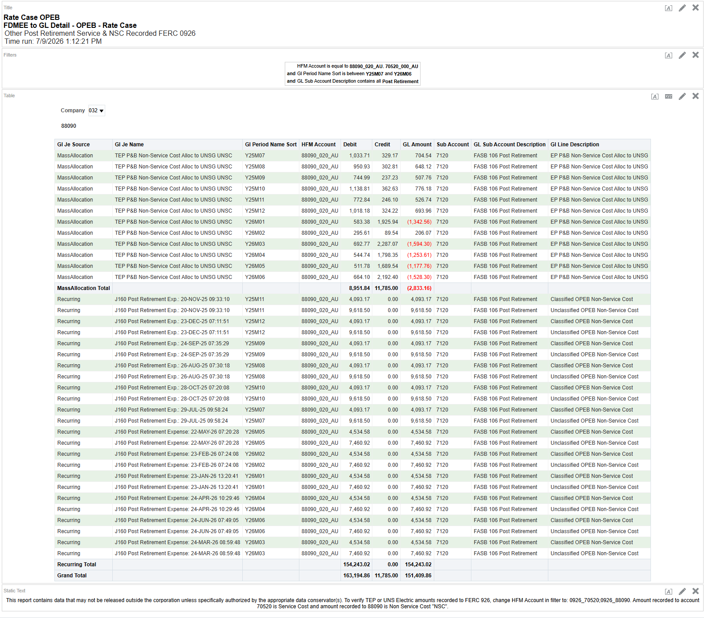
Rate Case OPEB
FDMEE to GL Detail - OPEB - Rate Case
Other Post Retirement Service & NSC Recorded FERC 0926
Other Expenses; Medical & Dental Insurance
Time run: 7/9/2026 1:12:21 PM

Note: amounts allocated from TEP to UNSG are excluded per Proforma Adjustment instructions.
 | HFM Account is equal to 88090_020_AU , 70520_000_AU
and | Gl Period Name Sort is between Y25M07 and Y26M06
and | GL Sub Account Description contains all Post Retirement

Company | 032
88090
Gl Je Source | Gl Je Name | Gl Period Name Sort | HFM Account | Debit | Credit | GL Amount | Sub Account | GL Sub Account Description | Gl Line Description
MassAllocation | TEP P&B Non-Service Cost Alloc to UNSG UNSC | Y25M07 | 88090_020_AU | 1,033.71 | 329.17 | 704.54 | 7120 | FASB 106 Post Retirement | EP P&B Non-Service Cost Alloc to UNSG
MassAllocation | TEP P&B Non-Service Cost Alloc to UNSG UNSC | Y25M08 | 88090_020_AU | 950.93 | 302.81 | 648.12 | 7120 | FASB 106 Post Retirement | EP P&B Non-Service Cost Alloc to UNSG
MassAllocation | TEP P&B Non-Service Cost Alloc to UNSG UNSC | Y25M09 | 88090_020_AU | 744.99 | 237.23 | 507.76 | 7120 | FASB 106 Post Retirement | EP P&B Non-Service Cost Alloc to UNSG
MassAllocation | TEP P&B Non-Service Cost Alloc to UNSG UNSC | Y25M10 | 88090_020_AU | 1,138.81 | 362.63 | 776.18 | 7120 | FASB 106 Post Retirement | EP P&B Non-Service Cost Alloc to UNSG
MassAllocation | TEP P&B Non-Service Cost Alloc to UNSG UNSC | Y25M11 | 88090_020_AU | 772.84 | 246.10 | 526.74 | 7120 | FASB 106 Post Retirement | EP P&B Non-Service Cost Alloc to UNSG
MassAllocation | TEP P&B Non-Service Cost Alloc to UNSG UNSC | Y25M12 | 88090_020_AU | 1,018.18 | 324.22 | 693.96 | 7120 | FASB 106 Post Retirement | EP P&B Non-Service Cost Alloc to UNSG
MassAllocation | TEP P&B Non-Service Cost Alloc to UNSG UNSC | Y26M01 | 88090_020_AU | 583.38 | 1,925.94 | (1,342.56) | 7120 | FASB 106 Post Retirement | EP P&B Non-Service Cost Alloc to UNSG
MassAllocation | TEP P&B Non-Service Cost Alloc to UNSG UNSC | Y26M02 | 88090_020_AU | 295.61 | 89.54 | 206.07 | 7120 | FASB 106 Post Retirement | EP P&B Non-Service Cost Alloc to UNSG
MassAllocation | TEP P&B Non-Service Cost Alloc to UNSG UNSC | Y26M03 | 88090_020_AU | 692.77 | 2,287.07 | (1,594.30) | 7120 | FASB 106 Post Retirement | EP P&B Non-Service Cost Alloc to UNSG
MassAllocation | TEP P&B Non-Service Cost Alloc to UNSG UNSC | Y26M04 | 88090_020_AU | 544.74 | 1,798.35 | (1,253.61) | 7120 | FASB 106 Post Retirement | EP P&B Non-Service Cost Alloc to UNSG
MassAllocation | TEP P&B Non-Service Cost Alloc to UNSG UNSC | Y26M05 | 88090_020_AU | 511.78 | 1,689.54 | (1,177.76) | 7120 | FASB 106 Post Retirement | EP P&B Non-Service Cost Alloc to UNSG
MassAllocation | TEP P&B Non-Service Cost Alloc to UNSG UNSC | Y26M06 | 88090_020_AU | 664.10 | 2,192.40 | (1,528.30) | 7120 | FASB 106 Post Retirement | EP P&B Non-Service Cost Alloc to UNSG
MassAllocation Total |  |  |  | 8,951.84 | 11,785.00 | (2,833.16)
Recurring | J160 Post Retirement Exp.: 20-NOV-25 09:33:10 | Y25M11 | 88090_020_AU | 4,093.17 | 0.00 | 4,093.17 | 7120 | FASB 106 Post Retirement | Classified OPEB Non-Service Cost
Recurring | J160 Post Retirement Exp.: 20-NOV-25 09:33:10 | Y25M11 | 88090_020_AU | 9,618.50 | 0.00 | 9,618.50 | 7120 | FASB 106 Post Retirement | Unclassified OPEB Non-Service Cost
Recurring | J160 Post Retirement Exp.: 23-DEC-25 07:11:51 | Y25M12 | 88090_020_AU | 4,093.17 | 0.00 | 4,093.17 | 7120 | FASB 106 Post Retirement | Classified OPEB Non-Service Cost
Recurring | J160 Post Retirement Exp.: 23-DEC-25 07:11:51 | Y25M12 | 88090_020_AU | 9,618.50 | 0.00 | 9,618.50 | 7120 | FASB 106 Post Retirement | Unclassified OPEB Non-Service Cost
Recurring | J160 Post Retirement Exp.: 24-SEP-25 07:35:29 | Y25M09 | 88090_020_AU | 4,093.17 | 0.00 | 4,093.17 | 7120 | FASB 106 Post Retirement | Classified OPEB Non-Service Cost
Recurring | J160 Post Retirement Exp.: 24-SEP-25 07:35:29 | Y25M09 | 88090_020_AU | 9,618.50 | 0.00 | 9,618.50 | 7120 | FASB 106 Post Retirement | Unclassified OPEB Non-Service Cost
Recurring | J160 Post Retirement Exp.: 26-AUG-25 07:30:18 | Y25M08 | 88090_020_AU | 4,093.17 | 0.00 | 4,093.17 | 7120 | FASB 106 Post Retirement | Classified OPEB Non-Service Cost
Recurring | J160 Post Retirement Exp.: 26-AUG-25 07:30:18 | Y25M08 | 88090_020_AU | 9,618.50 | 0.00 | 9,618.50 | 7120 | FASB 106 Post Retirement | Unclassified OPEB Non-Service Cost
Recurring | J160 Post Retirement Exp.: 28-OCT-25 07:20:08 | Y25M10 | 88090_020_AU | 4,093.17 | 0.00 | 4,093.17 | 7120 | FASB 106 Post Retirement | Classified OPEB Non-Service Cost
Recurring | J160 Post Retirement Exp.: 28-OCT-25 07:20:08 | Y25M10 | 88090_020_AU | 9,618.50 | 0.00 | 9,618.50 | 7120 | FASB 106 Post Retirement | Unclassified OPEB Non-Service Cost
Recurring | J160 Post Retirement Exp.: 29-JUL-25 09:58:24 | Y25M07 | 88090_020_AU | 4,093.17 | 0.00 | 4,093.17 | 7120 | FASB 106 Post Retirement | Classified OPEB Non-Service Cost
Recurring | J160 Post Retirement Exp.: 29-JUL-25 09:58:24 | Y25M07 | 88090_020_AU | 9,618.50 | 0.00 | 9,618.50 | 7120 | FASB 106 Post Retirement | Unclassified OPEB Non-Service Cost
Recurring | J160 Post Retirement Expense: 22-MAY-26 07:20:28 | Y26M05 | 88090_020_AU | 4,534.58 | 0.00 | 4,534.58 | 7120 | FASB 106 Post Retirement | Classified OPEB Non-Service Cost
Recurring | J160 Post Retirement Expense: 22-MAY-26 07:20:28 | Y26M05 | 88090_020_AU | 7,460.92 | 0.00 | 7,460.92 | 7120 | FASB 106 Post Retirement | Unclassified OPEB Non-Service Cost
Recurring | J160 Post Retirement Expense: 23-FEB-26 07:24:08 | Y26M02 | 88090_020_AU | 4,534.58 | 0.00 | 4,534.58 | 7120 | FASB 106 Post Retirement | Classified OPEB Non-Service Cost
Recurring | J160 Post Retirement Expense: 23-FEB-26 07:24:08 | Y26M02 | 88090_020_AU | 7,460.92 | 0.00 | 7,460.92 | 7120 | FASB 106 Post Retirement | Unclassified OPEB Non-Service Cost
Recurring | J160 Post Retirement Expense: 23-JAN-26 13:20:41 | Y26M01 | 88090_020_AU | 4,534.58 | 0.00 | 4,534.58 | 7120 | FASB 106 Post Retirement | Classified OPEB Non-Service Cost
Recurring | J160 Post Retirement Expense: 23-JAN-26 13:20:41 | Y26M01 | 88090_020_AU | 7,460.92 | 0.00 | 7,460.92 | 7120 | FASB 106 Post Retirement | Unclassified OPEB Non-Service Cost
Recurring | J160 Post Retirement Expense: 24-APR-26 10:29:46 | Y26M04 | 88090_020_AU | 4,534.58 | 0.00 | 4,534.58 | 7120 | FASB 106 Post Retirement | Classified OPEB Non-Service Cost
Recurring | J160 Post Retirement Expense: 24-APR-26 10:29:46 | Y26M04 | 88090_020_AU | 7,460.92 | 0.00 | 7,460.92 | 7120 | FASB 106 Post Retirement | Unclassified OPEB Non-Service Cost
Recurring | J160 Post Retirement Expense: 24-JUN-26 07:49:05 | Y26M06 | 88090_020_AU | 4,534.58 | 0.00 | 4,534.58 | 7120 | FASB 106 Post Retirement | Classified OPEB Non-Service Cost
Recurring | J160 Post Retirement Expense: 24-JUN-26 07:49:05 | Y26M06 | 88090_020_AU | 7,460.92 | 0.00 | 7,460.92 | 7120 | FASB 106 Post Retirement | Unclassified OPEB Non-Service Cost
Recurring | J160 Post Retirement Expense: 24-MAR-26 08:59:48 | Y26M03 | 88090_020_AU | 4,534.58 | 0.00 | 4,534.58 | 7120 | FASB 106 Post Retirement | Classified OPEB Non-Service Cost
Recurring | J160 Post Retirement Expense: 24-MAR-26 08:59:48 | Y26M03 | 88090_020_AU | 7,460.92 | 0.00 | 7,460.92 | 7120 | FASB 106 Post Retirement | Unclassified OPEB Non-Service Cost
Recurring Total |  |  |  | 154,243.02 | 0.00 | 154,243.02
Grand Total |  |  |  | 163,194.86 | 11,785.00 | 151,409.86

This report contains data that may not be released outside the corporation unless specifically authorized by the appropriate data conservator(s). To verify TEP or UNS Electric amounts recorded to FERC 926, change HFM Account in filter to: 0926_70520;0926_88090. Amount recorded to account 70520 is Service Cost and amount recorded to 88090 is Non Service Cost "NSC".

 |  |  |  |  |  |  |  | 2

PDf not printed

5. Query
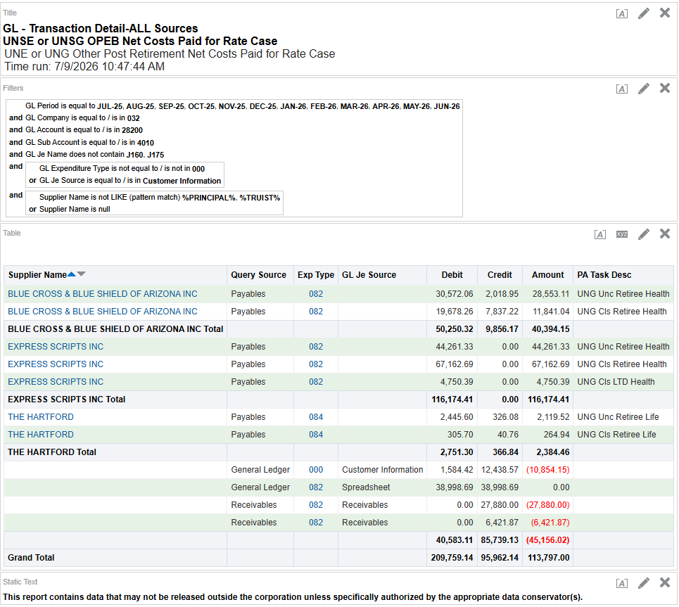
GL - Transaction Detail-ALL Sources
UNSE or UNSG OPEB Net Costs Paid for Rate Case
UNE or UNG Other Post Retirement Net Costs Paid for Rate Case
Time run: 7/9/2026 10:47:44 AM

Note: Trust administrator switched from Suntrust to Truist beginning in 2022, and from Truist to Principal in 2025; Truist and Principal payments need to be excluded as they are remittances to the trust and not actual expenses. Actual expenses need to be netted against the the retiree contributions (credits from customer information and receivables.)
Deferred Employee Benefits Acc Prov - Post Retire Benefit Post Retirement Exp; Annual OPEB True Up
 | GL Period is equal to JUL-25 , AUG-25 , SEP-25 , OCT-25 , NOV-25 , DEC-25 , JAN-26 , FEB-26 , MAR-26 , APR-26 , MAY-26 , JUN-26
and | GL Company is equal to / is in 032
and | GL Account is equal to / is in 28200
and | GL Sub Account is equal to / is in 4010
and | GL Je Name does not contain J160 , J175
and |  | GL Expenditure Type is not equal to / is not in 000
 | or | GL Je Source is equal to / is in Customer Information
and |  | Supplier Name is not LIKE (pattern match) %PRINCIPAL% , %TRUIST%
 | or | Supplier Name is null

Supplier Name | Query Source | Exp Type | GL Je Source | Debit | Credit | Amount | PA Task Desc
BLUE CROSS & BLUE SHIELD OF ARIZONA INC | Payables | 082 |  | 30,572.06 | 2,018.95 | 28,553.11 | UNG Unc Retiree Health
BLUE CROSS & BLUE SHIELD OF ARIZONA INC | Payables | 082 |  | 19,678.26 | 7,837.22 | 11,841.04 | UNG Cls Retiree Health
BLUE CROSS & BLUE SHIELD OF ARIZONA INC Total |  |  |  | 50,250.32 | 9,856.17 | 40,394.15 |  | 4
EXPRESS SCRIPTS INC | Payables | 082 |  | 44,261.33 | 0.00 | 44,261.33 | UNG Unc Retiree Health
EXPRESS SCRIPTS INC | Payables | 082 |  | 67,162.69 | 0.00 | 67,162.69 | UNG Cls Retiree Health
EXPRESS SCRIPTS INC | Payables | 082 |  | 4,750.39 | 0.00 | 4,750.39 | UNG Cls LTD Health
EXPRESS SCRIPTS INC Total |  |  |  | 116,174.41 | 0.00 | 116,174.41 |  | 4
THE HARTFORD | Payables | 084 |  | 2,445.60 | 326.08 | 2,119.52 | UNG Unc Retiree Life
THE HARTFORD | Payables | 084 |  | 305.70 | 40.76 | 264.94 | UNG Cls Retiree Life
THE HARTFORD Total |  |  |  | 2,751.30 | 366.84 | 2,384.46 |  | 4
 | General Ledger | 000 | Customer Information | 1,584.42 | 12,438.57 | (10,854.15) |  | 4
 | General Ledger | 082 | Spreadsheet | 38,998.69 | 38,998.69 | 0.00
 | Receivables | 082 | Receivables | 0.00 | 27,880.00 | (27,880.00) |  | a
 | Receivables | 082 | Receivables | 0.00 | 6,421.87 | (6,421.87) |  | a
 |  |  |  | 40,583.11 | 85,739.13 | (45,156.02)
Grand Total |  |  |  | 209,759.14 | 95,962.14 | 113,797.00 |  | Σ a | (34,301.87) | 4

This report contains data that may not be released outside the corporation unless specifically authorized by the appropriate data conservator(s).

PDf not printed

