1. Pro Forma
UNS GAS, INC.
INCOME STATEMENT PRO FORMA ADJUSTMENT
12 Months Ended June 30, 2026

ADJUSTMENT NAME: | Pension
ADJUSTMENT TO: | Income Statement
DATE SUBMITTED: | 2026-07-13
PREPARED BY:
CHECKED BY: | See PDF
REVIEWED BY: | See PDF

2
FERC
ACCT | FERC ACCOUNT DESCRIPTION | DEBIT | CREDIT
926 | Pensions & Benefits |  | $52,915

 | ENTRY TOTAL | $0 | $52,915

 | Net Adjustment - deduction | $- | $52,915

Reason for Adjustment
Per UNSG ARAM template: The Company's pension expense shall be adjusted to reflect the most recent pension actuarial study, which is typically done in January and sets the level of pension expense for the calendar year.

3 Pension Actuary Report
2025 UES Expense Allocation
G:\Corpacct\Close - 2024\Journal Entries\Pension & Benefits\Pension&OPEB\From WTW\Pension Final\2025 UES Expense Allocation.pdf
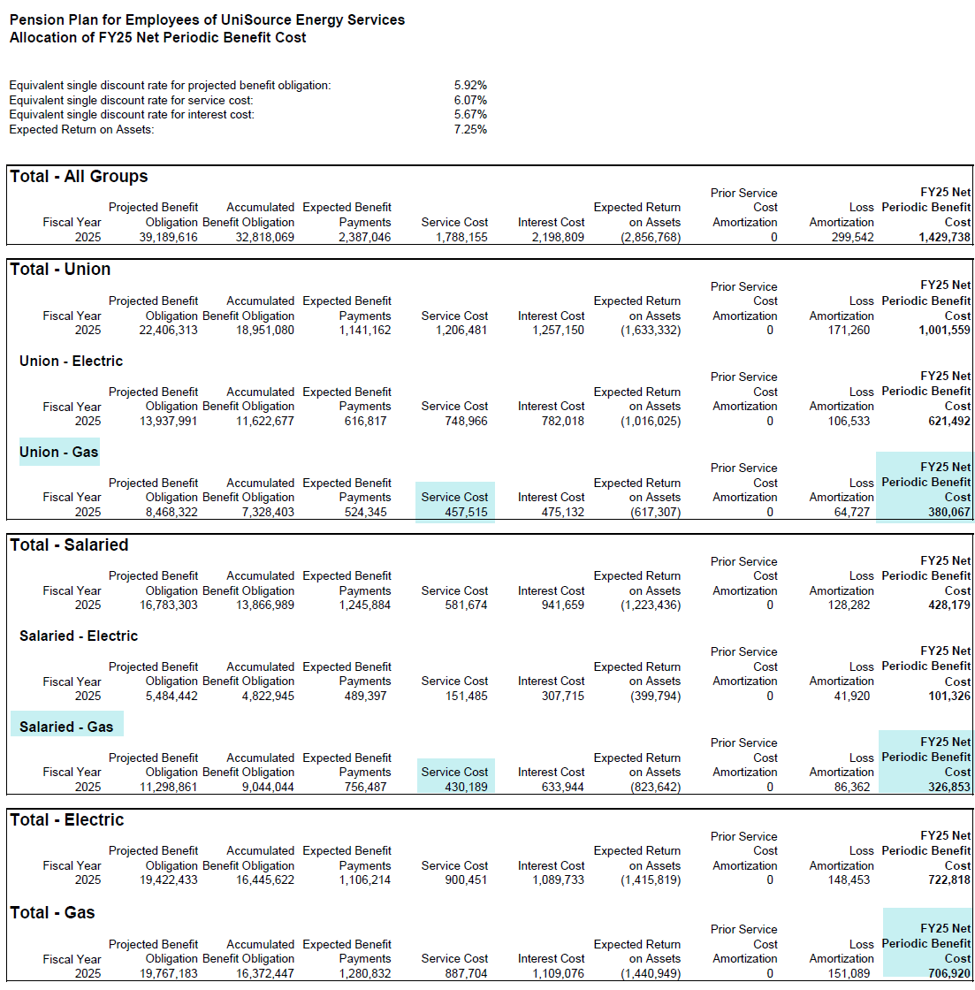

Union

 |  | TOTALS
 | 2025 | Service Cost |  | Net PBC
 | Union | 457,515 | a | 380,067 | b
 | Salaried | 430,189 | c | 326,853 | d
 |  |  |  | 706,920 | total

 |  | Calculated expense allocation
 |  | 6 months of 2025
Salaried |  | 6 months of 2026

 | 2025 | Service Cost |  | Net PBC
 | Union | 228,758 | a/2 | 190,034 | b/2
 | Salaried | 215,095 | c/2 | 163,427 | d/2
 |  |  |  | 353,460

a
b
 | 2026 | Service Cost |  | Net PBC
 | Union | 171,180 | e/2 | 111,912 | f/2
 | Salaried | 330,441 | g/2 | 218,081 | h/2
 |  |  |  | 329,993

 |  |  |  | 683,453 | total

Total

c
d

2026 UES Expense Allocation
G:\Corpacct\Close - 2025\Journal Entries\Pension & Benefits\Pension & OPEB Quarterly & Year-End\From WTW\Pension Final\2026 UES Allocation (Updated).pdf

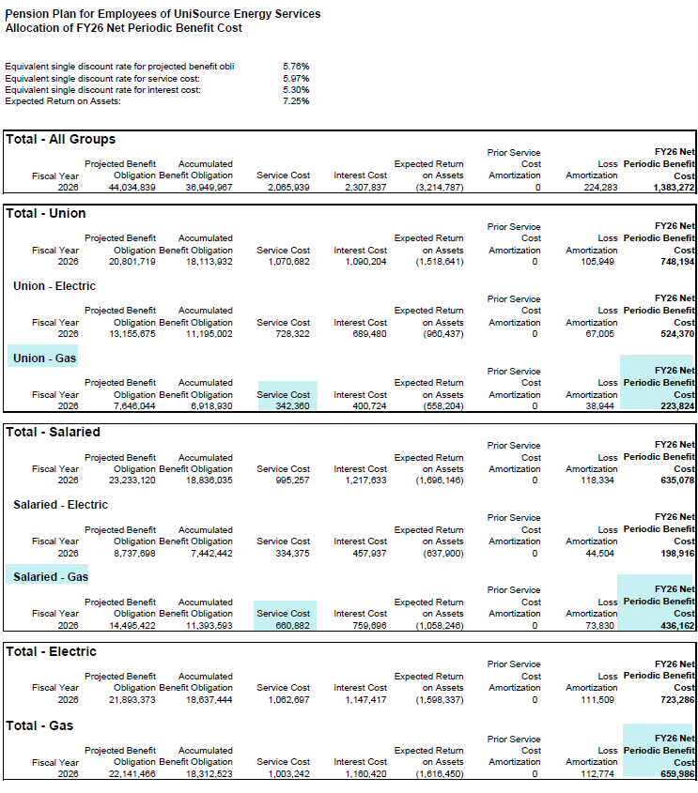
Union

 |  | TOTALS
 | 2026 | Service Cost |  | Net PBC
 | Union | 342,360 | e | 223,824 | f
k
 | Salaried | 660,882 | g | 436,162 | h
 |  |  |  | 659,986 | total

Salaried

e
f

Total

g
h

k

4.1 Payroll Proforma
Source: | ..\Payroll and Benefits and Associated Payroll Taxes (Other Known and Measurable Adjustments)\Income - Payroll & Benefits UNSG ARAM 07.01.25-06.30.26.pdf

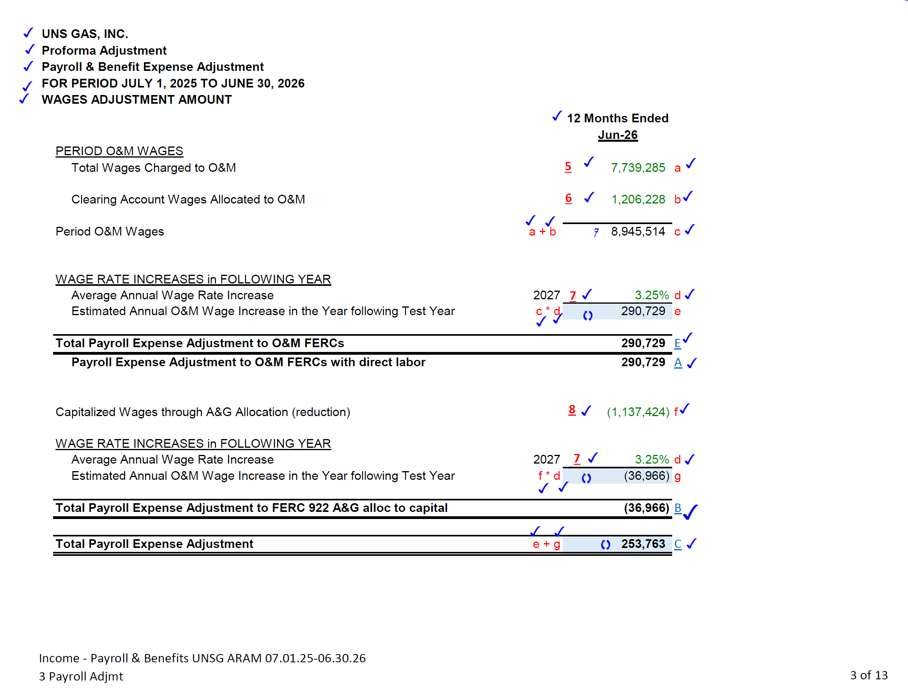

 |  | 7,739,285 | a
a

b
 |  | 1,206,228 | b

c
 |  | (1,137,424) | c

5 Total PR
OneStream>Cube Views>UNS Payroll Reports>UNSG Payroll Function by FERC
Parameters:
Expenditure Type Parent: ET_REG_OT_PR - Total Regular and Overtime Payroll
Time Period: 2026M6
 | UNSG Payroll Function by FERC

 | UNS Gas Inc.
 | UNSG Payroll by Function by FERC
 | 7/9/2026 4:00:08 PM
ET_REG_OT_PR - Total Regular and Overtime Payroll

 | YTD | 12 Months Ended
 | June 2026 | June 2026
Operations - Gas

0870_FC - Trans-Oper Supervision and Engr | 103,232.84 | 195,669.61
FC_TRANS_OPS - Transmission Operating Expenses | 103,232.84 | 195,669.61

0874_FC - Dist-Mains and Services Exp | 756,973.07 | 1,389,094.86
0875_FC - Dist-Meas and Reg Station Exp-Gen | 80,981.93 | 143,836.15
0876_FC - Dist-Meas and Reg Station Exp-Ind | 47,593.71 | 98,165.21
0877_FC - Dist-Meas and Reg Station Exp-CtGt | 9,796.01 | 25,399.89
0878_FC - Dist-Meter Exp | 471,399.57 | 974,995.03
0879_FC - Dist-Customer Installations Exp | 638,461.05 | 1,264,410.46
0880_FC - Dist-Other Expenses | 204,621.52 | 452,804.76
FC_DIST_OPS - Distribution Operating Expenses | 2,209,826.86 | 4,348,706.36

0901_FC - Cust Accounting-Supervision | 11,207.94 | 21,155.70
0902_FC - Meter Reading Expense | 43,086.06 | 88,509.20
0903_FC - Cust Rec Collection Exp | 227,847.02 | 421,230.09
FC_CUST_ACCTS - Customer Accounts Expenses | 282,141.02 | 530,894.99

0920_FC - Admin and General Salaries | 934,492.99 | 1,778,443.20
0925_FC - Injuries and Damages | 6,408.44 | 14,937.82
0926_FC - Pensions and Benefits | 22,049.10 | 36,990.68
0930_FC - Miscellaneous General Expenses |  | 1,186.85
0932_FC - Maint of General Plant | 274.96 | 274.96
FC_ADMIN_GEN_OPS - Admin and General Operating Expenses | 963,225.49 | 1,831,833.51
FC_OPS_EXP - Total Operating Expense | 3,558,426.21 | 6,907,104.47

Maintenance - Gas

0885_FC - Dist-Maint Supervision and Engr | 104,119.88 | 205,215.05
0887_FC - Dist-Maint of Mains | 122,878.90 | 207,293.84
0889_FC - Dist-Maint Meas and Reg Station Equip-Gen | 3,192.72 | 3,746.44
0892_FC - Dist-Maint of Services | 114,145.83 | 210,784.94
0893_FC - Dist-Maint of Meters | 97,280.63 | 198,241.88
0894_FC - Dist-Maint of Other Equipment | 3,376.86 | 6,898.72
FC_DIST_MNT - Distribution Maintenance Expenses | 444,994.82 | 832,180.87

FC_MAINT_EXP - Total Maintenance Expense | 444,994.82 | 832,180.87
a
Total Operations and Maintenance | 4,003,421.03 | 7,739,285.34

0107_FC - Const Work in Progress | 2,449,082.11 | 5,047,472.86
1071_FC - Construction Retentions
FC_PLNT_CONSTR - Plant Construction | 2,449,082.11 | 5,047,472.86
0108_FC - Acum Prov-Depre Retr | 90,479.89 | 202,340.00

Total Gas Payroll | 6,542,983.03 | 12,989,098.20

Other Accounts - Balance Sheet | 139,643.27 | 275,867.20
Other Accounts - Non-Work | 1,090,396.23 | 2,171,194.98

Total Payroll - Utility | 7,773,022.53 | 15,436,160.38

b
UNSG Payroll Charged to Affiliates | 271,687.76 | 490,620.89
Total Payroll for all UNSG Employees | 8,044,710.29 | 15,926,781.27

