1. Pro Forma
UNS GAS, INC.
INCOME STATEMENT PRO FORMA ADJUSTMENT
12 Months Ended June 30, 2026

ADJUSTMENT NAME: | Board of Directors
ADJUSTMENT TO: | Income Statement
DATE SUBMITTED: | 2026-07-15
PREPARED BY:
CHECKED BY: | See PDF
REVIEWED BY: | See PDF

2b
FERC
ACCT | FERC ACCOUNT DESCRIPTION | DEBIT | CREDIT
930.2 | Miscellaneous General Expenses |  | $70,896

 | ENTRY TOTAL | $0 | $70,896

 | Net Entry |  | ($70,896)

Reason for Adjustment
This adjustment removes 100% of Board and Director Fees expense for UNSG.
Note: UNS Gas is allocated Board of Directors compensation expense, using the established retainer-based allocation methodology. As a result, UNSG does not directly incur standalone board compensation expense; instead, its share of such costs is reflected through intercompany allocation, consistent with the Company’s governance cost allocation practices.

2. OBIEE
GL - Transaction Detail-ALL Sources
All Segments
Time run: 7/13/2026 11:53:36 AM

Consistent with TEP and UNSE rate cases, only reporting gross pay, not any deferred comp. Deferred comp is not included as it is not reportable earnings, and "deemed investments" with changing value.
 | GL Period is equal to JUL-25 , AUG-25 , SEP-25 , OCT-25 , NOV-25 , DEC-25 , JAN-26 , FEB-26 , MAR-26 , APR-26 , MAY-26 , JUN-26
and | GL Company is equal to / is in 002
and | GL Account is equal to / is in 11400
and | GL Sub Account is equal to / is in 0001
and | GL Expenditure Type is equal to / is in 231
and | PA Expenditure Comment is equal to / is in Gross Pay

4
GL Period | Co | Acct | Sub Acct | Bus Ctr | Cost Ctr | Actvty | Exp Type | GL Expenditure Type Description | FERC | Project | Loc | Svc Prod | Cash Type | Query Source | GL Je Source | GL Je Name | PA Transaction Source | Task | PA Expenditure Comment | Debit | Credit | Amount | UNSG % | UNSG $$ Share | Note
JUL-25 | 002 | 11400 | 0001 | 004 | 100 | 1120 | 231 | Director's Retainers | 0000 | CC00004 | 000 | 0000 | 00 | Projects | Project Accounting | JUL-25 Usage Cost USD | Peoplesoft Expenses | UNS1000 | Gross Pay | 102,083.38 | 0.00 | 102,083.38 | 0.0584 | 5,961.67
AUG-25 | 002 | 11400 | 0001 | 004 | 100 | 1120 | 231 | Director's Retainers | 0000 | CC00004 | 000 | 0000 | 00 | Projects | Project Accounting | AUG-25 Usage Cost USD | Peoplesoft Expenses | UNS1000 | Gross Pay | 102,083.38 | 0.00 | 102,083.38 | 0.0584 | 5,961.67
SEP-25 | 002 | 11400 | 0001 | 004 | 100 | 1120 | 231 | Director's Retainers | 0000 | CC00004 | 000 | 0000 | 00 | Projects | Project Accounting | SEP-25 Usage Cost USD | Peoplesoft Expenses | UNS1000 | Gross Pay | 102,083.38 | 0.00 | 102,083.38 | 0.0584 | 5,961.67
OCT-25 | 002 | 11400 | 0001 | 004 | 100 | 1120 | 231 | Director's Retainers | 0000 | CC00004 | 000 | 0000 | 00 | Projects | Project Accounting | OCT-25 Usage Cost USD | Peoplesoft Expenses | UNS1000 | Gross Pay | 102,083.38 | 0.00 | 102,083.38 | 0.0584 | 5,961.67
NOV-25 | 002 | 11400 | 0001 | 004 | 100 | 1120 | 231 | Director's Retainers | 0000 | CC00004 | 000 | 0000 | 00 | Projects | Project Accounting | NOV-25 Usage Cost USD | Peoplesoft Expenses | UNS1000 | Gross Pay | 102,083.38 | 0.00 | 102,083.38 | 0.0584 | 5,961.67
DEC-25 | 002 | 11400 | 0001 | 004 | 100 | 1120 | 231 | Director's Retainers | 0000 | CC00004 | 000 | 0000 | 00 | Projects | Project Accounting | DEC-25 Usage Cost USD | Peoplesoft Expenses | UNS1000 | Gross Pay | 102,082.82 | 0.00 | 102,082.82 | 0.0584 | 5,961.64
JAN-26 | 002 | 11400 | 0001 | 004 | 100 | 1120 | 231 | Director's Retainers | 0000 | CC00004 | 000 | 0000 | 00 | Projects | Project Accounting | JAN-26 Usage Cost USD | Peoplesoft Expenses | UNS1000 | Gross Pay | 100,416.69 | 0.00 | 100,416.69 | 0.0583 | 5,854.29
FEB-26 | 002 | 11400 | 0001 | 004 | 100 | 1120 | 231 | Director's Retainers | 0000 | CC00004 | 000 | 0000 | 00 | Projects | Project Accounting | FEB-26 Usage Cost USD | Peoplesoft Expenses | UNS1000 | Gross Pay | 100,416.69 | 0.00 | 100,416.69 | 0.0583 | 5,854.29
MAR-26 | 002 | 11400 | 0001 | 004 | 100 | 1120 | 231 | Director's Retainers | 0000 | CC00004 | 000 | 0000 | 00 | Projects | Project Accounting | MAR-26 Usage Cost USD | Peoplesoft Expenses | UNS1000 | Gross Pay | 100,416.69 | 0.00 | 100,416.69 | 0.0583 | 5,854.29
APR-26 | 002 | 11400 | 0001 | 004 | 100 | 0000 | 231 | Director's Retainers | 0000 | CC00004 | 000 | 0000 | 00 | Projects | Project Accounting | APR-26 Usage Cost USD | Peoplesoft Expenses | UNS1000 | Gross Pay | 100,416.72 | 0.00 | 100,416.72 | 0.0583 | 5,854.29
MAY-26 | 002 | 11400 | 0001 | 004 | 100 | 0000 | 231 | Director's Retainers | 0000 | CC00004 | 000 | 0000 | 00 | Projects | Project Accounting | MAY-26 Usage Cost USD | Peoplesoft Expenses | UNS1000 | Gross Pay | 100,416.72 | 0.00 | 100,416.72 | 0.0583 | 5,854.29
JUN-26 | 002 | 11400 | 0001 | 004 | 100 | 0000 | 231 | Director's Retainers | 0000 | CC00004 | 000 | 0000 | 00 |  |  |  |  |  |  | 100,416.72 | 0.00 | 100,416.72 | 0.0583 | 5,854.29
Grand Total |  |  |  |  |  |  |  |  |  |  |  |  |  |  |  |  |  |  |  | 1,214,999.95 | 0.00 | 1,214,999.95 |  | 70,896 | a
JUN-26 data missing due to Workday feed error; data manually input. See WP 2.1 for more information.
 |  |  |  |  |  |  |  |  |  |  |  |  |  |  |  |  |  |  |  |  |  |  | ACC juris - 3A | 100.00%
This report contains data that may not be released outside the corporation unless specifically authorized by the appropriate data conservator(s).
 |  |  |  |  |  |  |  |  |  |  |  |  |  |  |  |  |  |  |  |  |  |  | ACC amt: | 70,896 | b
 |  | Page 1

2.1 Workday Batch Error
Entered into Delayed Entry file.

4. Mass Formula
Source: | G:\ACCTSVCS\Systems\Allocations\Massachusetts Formula\2026\Allocations - 3 factor formula 2026.pdf
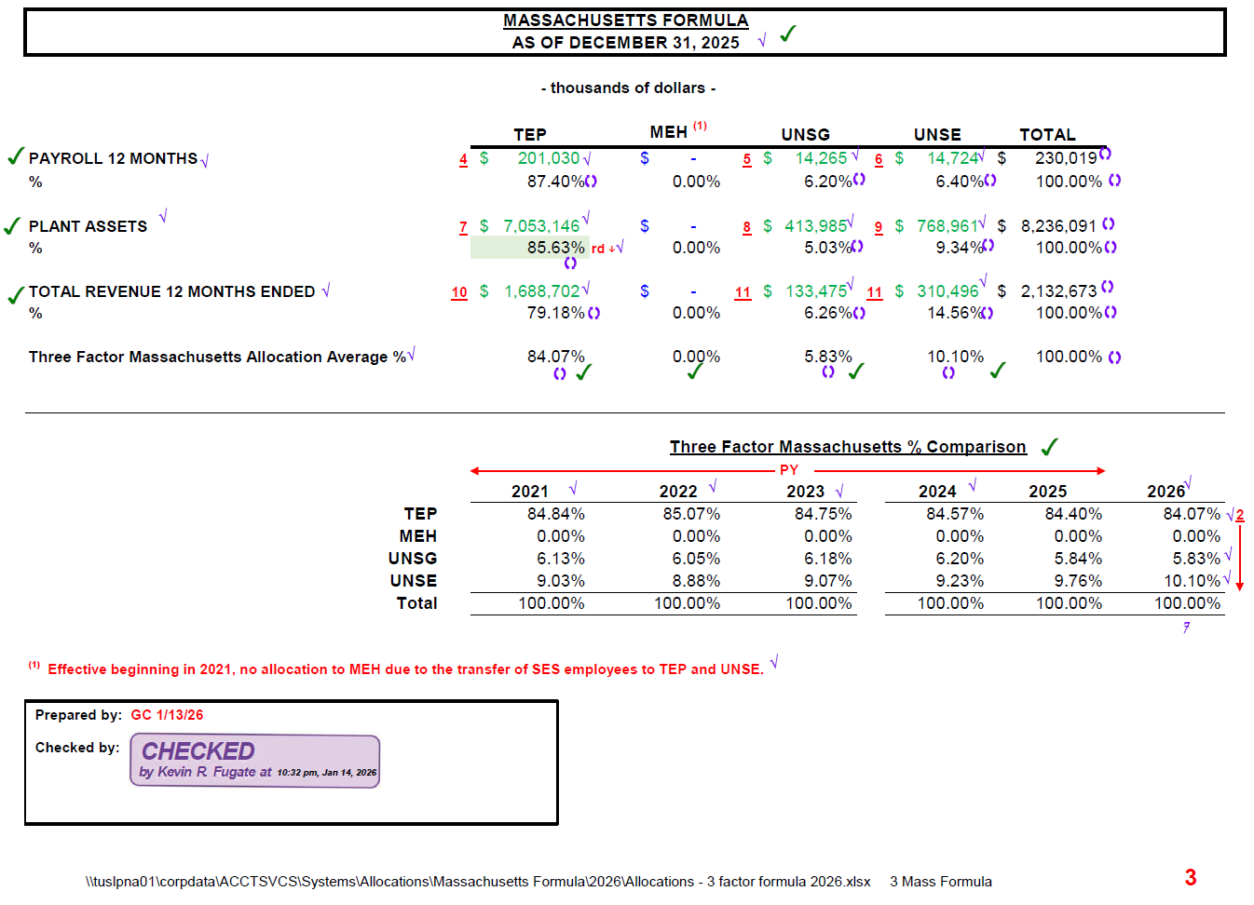

1
1

5. BOD FERC
Note: Query is used to support the FERC account that would be used to expense the Board of Director Retainer allocated to UNSG. This query is not used for determination of $$ amounts.
GL - Transaction Detail-ALL Sources
All Segments
Time run: 7/13/2026 12:10:01 PM

a
 | GL Period is equal to JUL-25 , AUG-25 , SEP-25 , OCT-25 , NOV-25 , DEC-25 , JAN-26 , FEB-26 , MAR-26 , APR-26 , MAY-26 , JUN-26
and | GL Account is equal to / is in 79040

GL Period | Acct | GL Account Description | Exp Type | GL Expenditure Type Description | FERC | GL Ferc Description | Debit | Credit | Amount
JUL-25 | 79040 | Directors' Expense | 230 | Director's Fees | 9302 | Miscellaneous General Expenses | 62,061.93 | 0.00 | 62,061.93
AUG-25 | 79040 | Directors' Expense | 230 | Director's Fees | 9302 | Miscellaneous General Expenses | 168,511.39 | 0.00 | 168,511.39
SEP-25 | 79040 | Directors' Expense | 230 | Director's Fees | 9302 | Miscellaneous General Expenses | 155,085.91 | 0.00 | 155,085.91
OCT-25 | 79040 | Directors' Expense | 230 | Director's Fees | 9302 | Miscellaneous General Expenses | 60,156.99 | 0.00 | 60,156.99
NOV-25 | 79040 | Directors' Expense | 230 | Director's Fees | 9302 | Miscellaneous General Expenses | 57,551.41 | 0.00 | 57,551.41
DEC-25 | 79040 | Directors' Expense | 230 | Director's Fees | 9302 | Miscellaneous General Expenses | 39,462.65 | 0.00 | 39,462.65
JAN-26 | 79040 | Directors' Expense | 230 | Director's Fees | 9302 | Miscellaneous General Expenses | 160,629.76 | 0.00 | 160,629.76
FEB-26 | 79040 | Directors' Expense | 230 | Director's Fees | 9302 | Miscellaneous General Expenses | 81,782.42 | 0.00 | 81,782.42
MAR-26 | 79040 | Directors' Expense | 230 | Director's Fees | 9302 | Miscellaneous General Expenses | 0.00 | 382,589.85 | (382,589.85)
APR-26 | 79040 | Directors' Expense | 230 | Director's Fees | 9302 | Miscellaneous General Expenses | 472,766.49 | 0.00 | 472,766.49
MAY-26 | 79040 | Directors' Expense | 230 | Director's Fees | 9302 | Miscellaneous General Expenses | 193,903.70 | 0.00 | 193,903.70
JUN-26 | 79040 | Directors' Expense | 230 | Director's Fees | 9302 | Miscellaneous General Expenses | 26,358.37 | 0.00 | 26,358.37
Grand Total |  |  |  |  |  |  | 1,478,271.02 | 382,589.85 | 1,095,681.17

This report contains data that may not be released outside the corporation unless specifically authorized by the appropriate data conservator(s).

