UPR JUL-25 to MAR-26
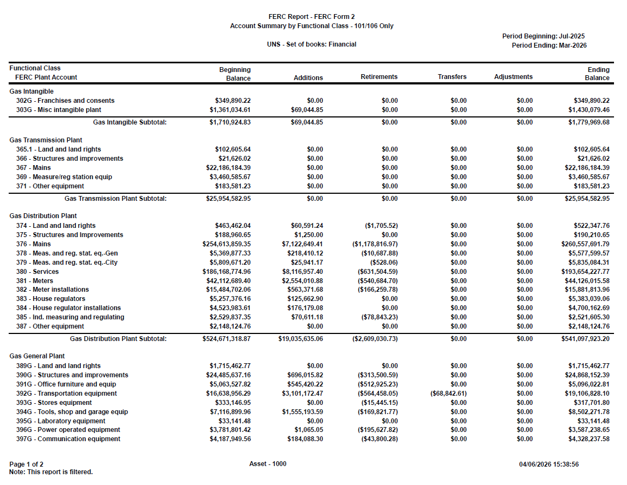
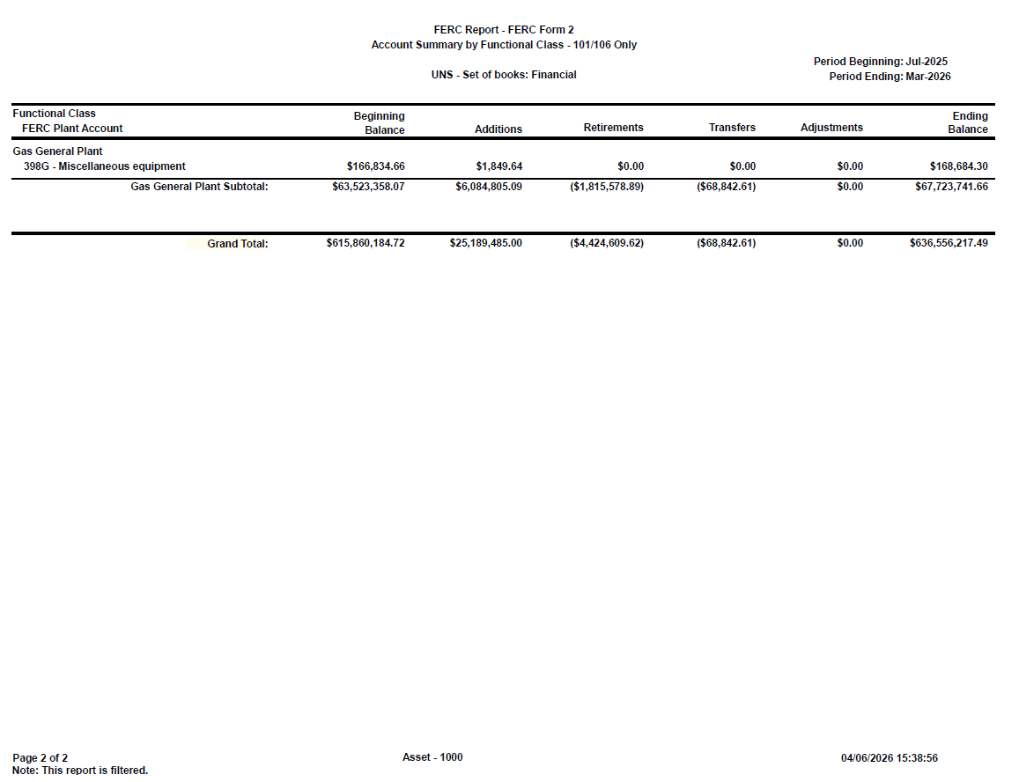
FA Power Plan - CPR - Asset Activity Roll Forward FERC Page 204-207 UNSG ARAM
Time run: 4/6/2026 1:19:24 PM

 | FERC is equal to 0101 , 0106 , 0102 ,
and | GL Company Number is equal to 032
 |  |  |  |  | Manual Add
GL Company Number | 032 |  |  |  | Vlookup | Calc. |  |  |  | New Balance
Functional Class | Utility Account | Beginning Balance 202507 | Additions | Retirements | J338 | Total Retirements | Transfers | Adjustments | Ending Balance 202603 | Ending Balance
Gas Distribution Plant | G374 - Land and Land Rights | 463,462.04 | 60,591.24 | (1,705.52) |  | (1,705.52) |  |  | 522,347.76 | 522,347.76
Gas Distribution Plant | G375 - Structures and Improvements | 188,960.65 | 1,250.00 |  |  |  |  |  | 190,210.65 | 190,210.65
Gas Distribution Plant | G376 - Mains | 254,613,859.35 | 7,122,649.41 | (1,178,816.97) |  | (1,178,816.97) |  |  | 260,557,691.79 | 260,557,691.79
Gas Distribution Plant | G378 - Measr and Reg Stat Equip-Gen | 5,369,877.33 | 218,410.12 | (10,687.88) |  | (10,687.88) |  |  | 5,577,599.57 | 5,577,599.57
Gas Distribution Plant | G379 - Measr and Reg Stat Equip-Cty | 5,809,671.20 | 25,941.17 | (528.06) |  | (528.06) |  |  | 5,835,084.31 | 5,835,084.31
Gas Distribution Plant | G380 - Services | 186,168,774.96 | 8,116,957.40 | (631,504.59) |  | (631,504.59) |  |  | 193,654,227.77 | 193,654,227.77
Gas Distribution Plant | G381 - Meters | 42,112,689.40 | 2,554,010.88 | (540,684.70) |  | (540,684.70) |  |  | 44,126,015.58 | 44,126,015.58
Gas Distribution Plant | G382 - Meter Installations | 15,484,702.06 | 563,371.68 | (166,259.78) |  | (166,259.78) |  |  | 15,881,813.96 | 15,881,813.96
Gas Distribution Plant | G383 - House Regulators | 5,257,376.16 | 125,662.90 |  |  |  |  |  | 5,383,039.06 | 5,383,039.06
Gas Distribution Plant | G384 - House Regulatory Install | 4,523,983.61 | 176,179.08 |  |  |  |  |  | 4,700,162.69 | 4,700,162.69
Gas Distribution Plant | G385 - Indust Measr Reg Stat Equip | 2,529,837.35 | 70,611.18 | (78,843.23) |  | (78,843.23) |  |  | 2,521,605.30 | 2,521,605.30
Gas Distribution Plant | G387 - Other Equipment | 2,148,124.76 |  |  |  |  |  |  | 2,148,124.76 | 2,148,124.76
Gas Distribution Plant Total |  | 524,671,318.87 | 19,035,635.06 | (2,609,030.73) |  | (2,609,030.73) |  |  | 541,097,923.20 | 541,097,923.20
Gas General Plant | G389 - Land and Land Rights | 1,715,462.77 |  |  |  |  |  |  | 1,715,462.77 | 1,715,462.77
Gas General Plant | G390 - Structures and Improvements | 24,485,637.16 | 696,015.82 | (313,500.59) |  | (313,500.59) |  |  | 24,868,152.39 | 24,868,152.39
Gas General Plant | G391 - Office Furniture and Equip | 5,063,527.82 | 545,420.22 | (512,925.23) | (77,015.07) | (589,940.30) |  |  | 5,096,022.81 | 5,019,007.74
Gas General Plant | G392 - Transportation Equipment | 16,638,956.29 | 3,101,172.47 | (564,458.05) |  | (564,458.05) | (68,842.61) |  | 19,106,828.10 | 19,106,828.10
Gas General Plant | G393 - Stores Equipment | 333,146.95 |  | (15,445.15) |  | (15,445.15) |  |  | 317,701.80 | 317,701.80
Gas General Plant | G394 - Tool, Shop, and Garage Equip | 7,116,899.96 | 1,555,193.59 | (169,821.77) |  | (169,821.77) |  |  | 8,502,271.78 | 8,502,271.78
Gas General Plant | G395 - Laboratory Equipment | 33,141.48 |  |  |  |  |  |  | 33,141.48 | 33,141.48
Gas General Plant | G396 - Power Operated Equipment | 3,781,801.42 | 1,065.05 | (195,627.82) |  | (195,627.82) |  |  | 3,587,238.65 | 3,587,238.65
Gas General Plant | G397 - Communication Equipment | 4,187,949.56 | 184,088.30 | (43,800.28) | (8,284.09) | (52,084.37) |  |  | 4,328,237.58 | 4,319,953.49
Gas General Plant | G398 - Miscellaneous Equipment | 166,834.66 | 1,849.64 |  |  |  |  |  | 168,684.30 | 168,684.30
Gas General Plant Total |  | 63,523,358.07 | 6,084,805.09 | (1,815,578.89) | (85,299.16) | (1,900,878.05) | (68,842.61) |  | 67,723,741.66 | 67,638,442.50
Gas Intangible | G302 - Franchise and Consents | 349,890.22 |  |  |  |  |  |  | 349,890.22 | 349,890.22
Gas Intangible | G303 - Misc Intangible Plant | 1,361,034.61 | 69,044.85 |  |  |  |  |  | 1,430,079.46 | 1,430,079.46
Gas Intangible Total |  | 1,710,924.83 | 69,044.85 |  |  |  |  |  | 1,779,969.68 | 1,779,969.68
Gas Transmission Plant | G365 - Land and Land Rights | 102,605.64 |  |  |  |  |  |  | 102,605.64 | 102,605.64
Gas Transmission Plant | G366 - Structures and Improvements | 21,626.02 |  |  |  |  |  |  | 21,626.02 | 21,626.02
Gas Transmission Plant | G367 - Mains | 22,186,184.39 |  |  |  |  |  |  | 22,186,184.39 | 22,186,184.39
Gas Transmission Plant | G369 - Measuring and Reg Stat Equip | 3,460,585.67 |  |  |  |  |  |  | 3,460,585.67 | 3,460,585.67
Gas Transmission Plant | G371 - Other Equipment | 183,581.23 |  |  |  |  |  |  | 183,581.23 | 183,581.23
Gas Transmission Plant Total |  | 25,954,582.95 |  |  |  |  |  |  | 25,954,582.95 | 25,954,582.95
Grand Total |  | 615,860,184.72 | 25,189,485.00 | (4,424,609.62) | (85,299.16) | (4,509,908.78) | (68,842.61) |  | 636,556,217.49 | 636,470,918.33

J338 MAR-26 Retirements
Exported From Powerplan
Pivot - Pending transaction table - Summ Detail Report (see excel for report)

A
B
C
D
E
Months (eng_in_service_year) | (Multiple Items) | Filtered for March + 1 Feb transaction
 |  |  |  |  |  | Calc | Vlookup
Row Labels | utility_account_description | sub_account_description | asset_description | Sum of posting_amount | Service Prod | Location | Loc ID
2 | E315.1 - Steam Computer Hardware | CP | SPVLE - Springerville General Plant | (2,714.88) | 3151 | SPVLE | 910
2 | E351.3 - Transmission Comm Eq | XX | FCRNR - Four Corners Gen Station Common | (7,156.89) | 3513 | FCRNR | 610
2 | E351.3 - Transmission Comm Eq | XX | HASSY - Hassayampa Substation 31.2% | (156.30) | 3513 | HASSY | 352
2 | E363.1 - Distribution Comp Hardware | NT | 00000 - Unspecified AZ | (664.36) | 3631 | 00000 | 000
2 | E363.3 - Distribution Comm Eq | XX | 21STR - Twenty First Street Substation - #158 | (111,799.38) | 3633 | 21STR | 521
2 | E391 - Office Furniture, Equipment | OE | IRVGN - Irvington - General | (2,572.08) | E391 | IRVGN | 625
2 | E393 - Stores Equipment | XX | IRVGN - Irvington - General | (74,877.89) | E393 | IRVGN | 625
2 | E393 - Stores Equipment | XX | IRVPP - Irvington Power Plant | (30,698.96) | E393 | IRVPP | 661
2 | E394 - Tool, Shop, and Garage Equip | XX | IRVGN - Irvington - General | (4,789.70) | E394 | IRVGN | 625
2 | E394 - Tool, Shop, and Garage Equip | XX | SPVLE - Springerville General Plant | (54,879.03) | E394 | SPVLE | 910
2 | E395 - Laboratory Equipment | XX | IRVGN - Irvington - General | (4,178.93) | E395 | IRVGN | 625
2 | E397.1 - Gen Plt Computer Hardware | NT | DBLDG - Downtown Bld | (414,098.02) | 3971 | DBLDG | 369
2 | E397.1 - Gen Plt Computer Hardware | NT | IRVGN - Irvington - General | (219,180.71) | 3971 | IRVGN | 625
2 | E397.3 - Gen Plt Communication Equi | XX | IRVGN - Irvington - General | (678,902.55) | 3973 | IRVGN | 625
2 Total |  |  |  | (1,606,669.68)
32 | G391 - Office Furniture and Equip | CP | FLAGA - Flagstaff Admin | (68,669.73) | G391 | FLAGA | 621
32 | G391 - Office Furniture and Equip | OE | FLAGA - Flagstaff Admin | (8,345.34) | G391 | FLAGA | 621
32 | G397 - Communication Equipment | XX | SCWHG - Santa Cruz Warehouse & Engineering Gas | (8,284.09) | G397 | SCWHG | 859
32 Total |  |  |  | (85,299.16)
33 | E394 - Tool, Shop, and Garage Equip | XX | HAVAW - Lake Havasu Warehouse | (3,133.05) | E394 | HAVAW | 640
33 | E394 - Tool, Shop, and Garage Equip | XX | KINGW - Kingman Warehouse | (6,672.74) | E394 | KINGW | 681
33 | E397.1 - Gen Plt Computer Hardware | NT | KINGM - Kingman | (10,870.80) | 3971 | KINGM | 679
33 Total |  |  |  | (20,676.59)
Grand Total |  |  |  | (1,712,645.43)
 |  |  |  | F

LINK: | G:\PLANTACC\Close\Journal Entries\2026\03 MAR\J338 FA Corrections MAR-26.xlsm

